July 06 ~ July 12
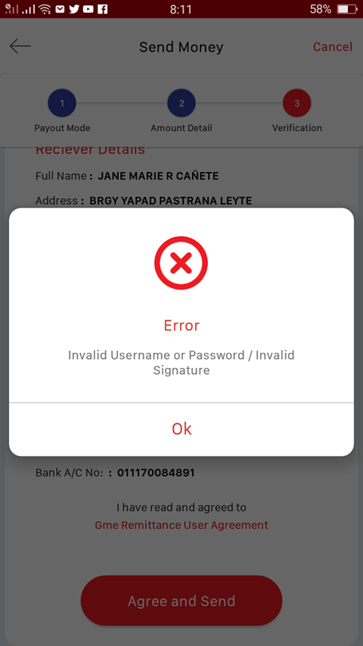
 | Corridor | IT issue | Remarks
1 | Nepal | Problem In transaction Sync. Error receiving email after Transaction.
2 | Philippines | 1. Error: Invalid signature: There's a deduction on customer's balance everytime this error pops up. (New Apps)
3 | Bangladesh | 1. Autodebit ' Invalid Parameters' in new apps. 2. New apps can not use for cash pickup. (Merchantrade) 3. Agrani, Islami and DBBL missing in cash pickup and Agrani and Islami bank missing in bank deposit in new apps
4 | Indonesia | 1. WARNING ! Transaction failed(5) 2.Divide by zero error encountered (3) 3.invalid parameter - autodebit in new app (3)
5 | Thailand | 1. keyboard login issues Iphone xmax (2), iphone6 (2)
6 | Mongolia | 1. Shinhan Bank: cannot approve customer registered with Passport 2. New app: when request for penny test, INVALID PARAMETERS error (fine from browser or old app) 3. Auto debit with new app: at the last step shows OPERATION FAILED, (fine from browser) 4. Suddenly Stopped 5,000 KRW for Friend referral, customer complain

